Mini Fridges
Name | Photo | Our Price with VAT, AED | RRP, AED | GoldApple Margin | Size of the Color Box | Size of the Brown Box (Transport package)
Mini Fridge MFR SK 25 pink (4L) | 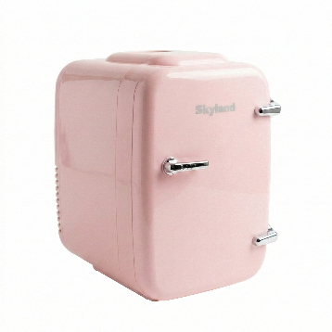 | 119.40 | 199.00 | 40.00% | 28.5x20x29.5 cm (1pcs) Gross weight 2.3 kgs per 1 pcs | 41.5x28.8x60 cm (4 pcs per box)
 |  |  |  |  |  |  | 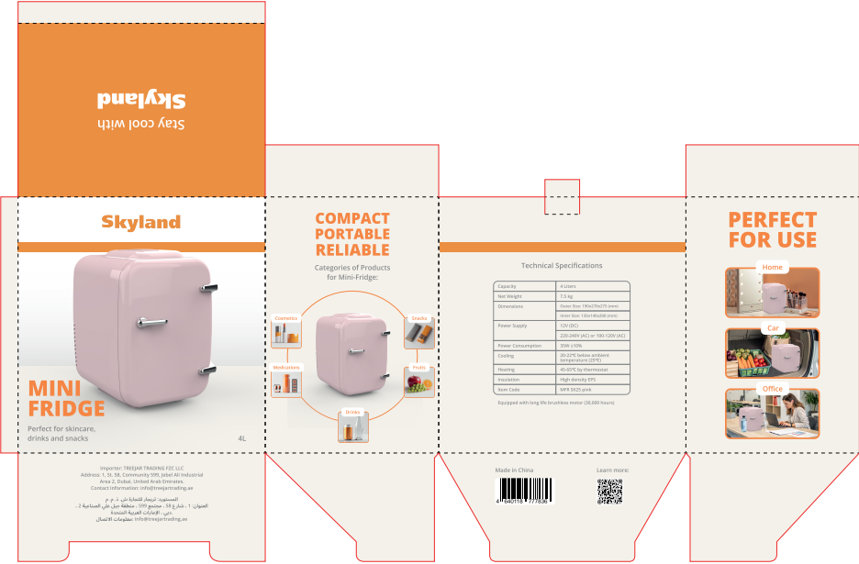 | 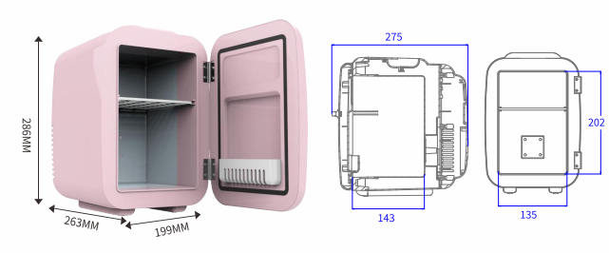
Mini Fridge MFR SK 25 white (4L) | 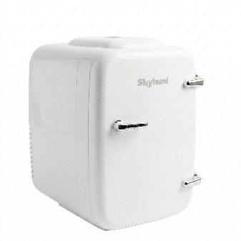 | 119.40 | 199.00 | 40.00% | 28.5x20x29.5 cm (1pcs) Gross weight 2.3 kgs per 1 pcs | 41.5x28.8x60 cm (4 pcs per box)
 |  |  |  |  |  |  | 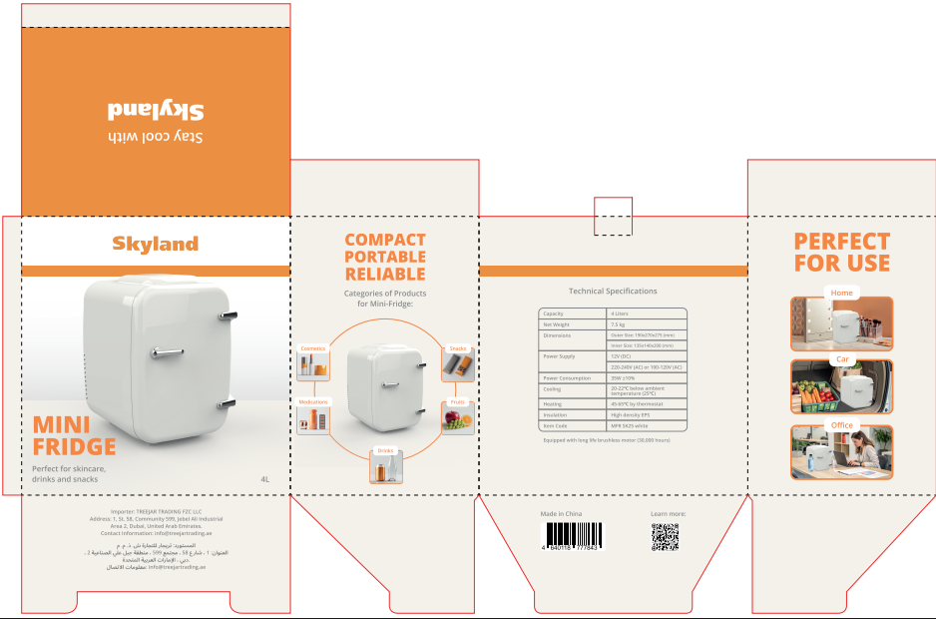
Mini Fridge MFR SK 60 white (6L) | 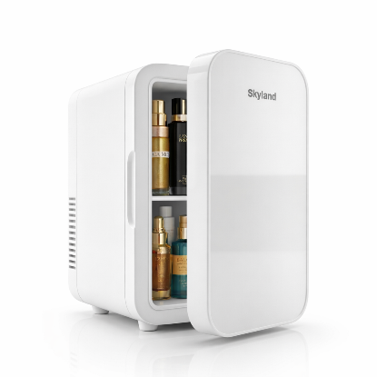 | 150.00 | 250.00 | 40.00% | 31.5x19.6x35.5 cm (1pcs) Gross weight 4 kgs per 1 pcs | 40.7x33x37 cm (2 pcs per box) | 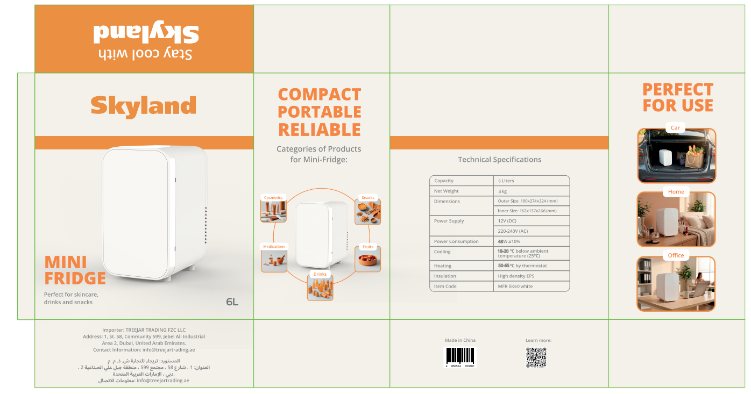 | 